Rubrics
Toilet Ratings

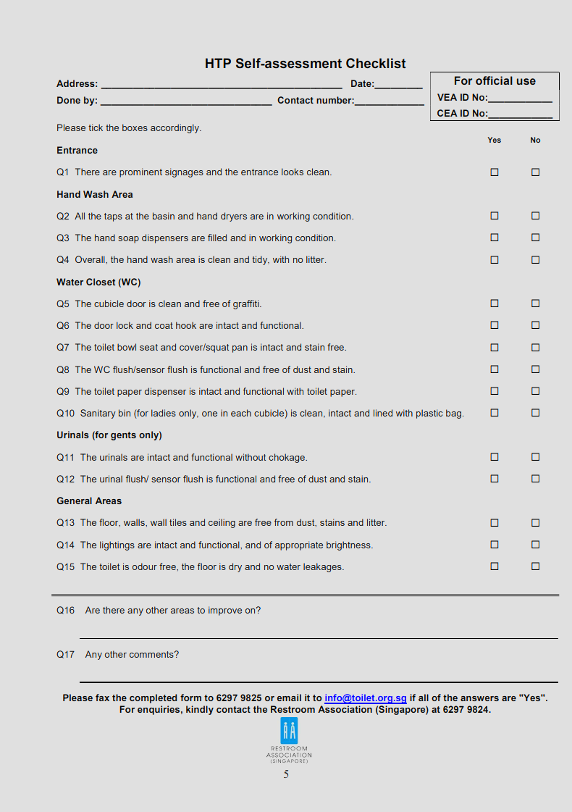
Rubrics |  |  | For Reference: Restroom Association of Singapore Happy Toilets Programme Criteria
For each toilet, a rating is assigned based on the following categories:
Cleanliness | Sliding scale, 1-10 with 10 being the cleanest
 | Cleanliness includes floor and facilities being dry and litter-free
Scent | Sliding scale, 1-5 with 5 being pleasantly aromatic
 | Scent includes being odour-free and the pleasantness of the fragrance
Aesthetics | Sliding scale, 1-5 with 5 being stunningly aesthetic
Music | Sliding scale, 1-5 with 5 being dance-worthy
Toiletries | Points allocated based on availability of the following:
 | Toilet Paper | 1 point
 | Hand Towel | 1 point
 | Hand Dryer | 1 point
 | Hand Soap | 1 point
 | Toilet liner/ Seat Cleaner | 1 point
Facilities and Maintenance | Mirrors functional and stain-free | 1-2 points, 2 being all functional
 | Taps functional and stain-free | 1-2 points, 2 being all functional
 | Urinals functional and stain-free | 1-2 points, 2 being all functional
 | Toilets functional and stain-free | 1-2 points, 2 being all functional
 | Door locks functional | 1 point
 | Coat hooks available | 1 point
 | Bidet available | 1 point
 | Functional automatic flush | 1 point
 | Automatic tap | 1 point
 | Automatic soap dispenser | 1 point
 | Rubbish bin not full | 1 point
 | Feedback form or device available | 1 point
 | Ambulant facilities available | 1 point
 | Child facilities available | 1 point
 | Directional signages clear | 1 point
 | Educational/Informative Posters | 1 point
Grand Total | Maximum of 50 points

